Analysis
Dwight Product Sales
Monthly Team Sales Totals
sales_person_name | Jim
 |  |  |  |  |  |  |  | Row Labels | Sum of sales
Row Labels | Sum of sales | Sum of sales | Column Labels |  |  |  |  | Jim | 18.66% | Sum of sales | Column Labels |  |  | Sum of sales | Column Labels | 0 | 0
Paper | 48.44% | Row Labels | Dwight | Michael | Pam | Jim | Grand Total | Pam | 26.65% | Row Labels | Consumer | Enterprise | Grand Total | Row Labels | Consumer | Enterprise | Grand Total
Staplers | 51.56% | Qtr1 | 25430 | 25761 | 31620 | 19097 | 101908 | Michael | 26.79% | Dwight | 36889 | 63058 | 99947 | Dwight | 36889 | 63058 | 99947
Grand Total | 100.00% | Jan | 9172 | 9153 | 10858 | 6350 | 35533 | Dwight | 27.90% | Qtr1 | 9803 | 15627 | 25430 | Qtr1 | 9803 | 15627 | 25430
 |  | Feb | 8253 | 8072 | 10603 | 6427 | 33355 | Grand Total | 100.00% | Qtr2 | 9717 | 17510 | 27227 | Qtr2 | 9717 | 17510 | 27227
sales_person_name | Michael | Mar | 8005 | 8536 | 10159 | 6320 | 33020 |  |  | Qtr3 | 8724 | 15996 | 24720 | Qtr3 | 8724 | 15996 | 24720
 |  | Qtr2 | 27227 | 26085 | 27346 | 17135 | 97793 |  |  | Qtr4 | 8645 | 13925 | 22570 | Qtr4 | 8645 | 13925 | 22570
Row Labels | Sum of sales | Apr | 9359 | 8468 | 9630 | 6272 | 33729 |  |  | Michael | 56595 | 39369 | 95964 | Michael | 56595 | 39369 | 95964
Paper | 47.48% | May | 9668 | 8752 | 8803 | 5402 | 32625 |  |  | Qtr1 | 14633 | 11128 | 25761 | Qtr1 | 14633 | 11128 | 25761
Staplers | 52.52% | Jun | 8200 | 8865 | 8913 | 5461 | 31439 |  |  | Qtr2 | 15172 | 10913 | 26085 | Qtr2 | 15172 | 10913 | 26085
Michael Product Sales
Grand Total | 100.00% | Qtr3 | 24720 | 22009 | 18048 | 15570 | 80347 |  |  | Qtr3 | 13341 | 8668 | 22009 | Qtr3 | 13341 | 8668 | 22009
sales_person_name | Pam | Jul | 9074 | 7907 | 6770 | 5129 | 28880 |  |  | Qtr4 | 13449 | 8660 | 22109 | Qtr4 | 13449 | 8660 | 22109
products_sold | (All) | Aug | 7815 | 6550 | 5603 | 5214 | 25182 |  |  | Pam | 36782 | 58685 | 95467 | Pam | 36782 | 58685 | 95467
 |  | Sep | 7831 | 7552 | 5675 | 5227 | 26285 |  |  | Qtr1 | 12532 | 19088 | 31620 | Qtr1 | 12532 | 19088 | 31620
Sales Team Totals by Region
2014 Share of Sales by Team Member
Row Labels | Sum of sales | Qtr4 | 22570 | 22109 | 18453 | 15053 | 78185 |  |  | Qtr2 | 10323 | 17023 | 27346 | Qtr2 | 10323 | 17023 | 27346
Paper | 54.74% | Oct | 7638 | 7408 | 6630 | 5174 | 26850 |  |  | Qtr3 | 5755 | 12293 | 18048 | Qtr3 | 5755 | 12293 | 18048
Staplers | 45.26% | Nov | 7424 | 7373 | 5502 | 4939 | 25238 |  |  | Qtr4 | 8172 | 10281 | 18453 | Qtr4 | 8172 | 10281 | 18453
Grand Total | 100.00% | Dec | 7508 | 7328 | 6321 | 4940 | 26097 |  |  | Jim | 30294 | 36561 | 66855 | Jim | 30294 | 36561 | 66855
sales_person_name | Jim | Grand Total | 99947 | 95964 | 95467 | 66855 | 358233 |  |  | Qtr1 | 9670 | 9427 | 19097 | Qtr1 | 9670 | 9427 | 19097
products_sold | (All) |  |  |  |  |  |  |  |  | Qtr2 | 7573 | 9562 | 17135 | Qtr2 | 7573 | 9562 | 17135
 |  |  |  |  |  |  |  |  |  | Qtr3 | 6542 | 9028 | 15570 | Qtr3 | 6542 | 9028 | 15570
Row Labels | Sum of sales |  |  |  |  |  |  |  |  | Qtr4 | 6509 | 8544 | 15053 | Qtr4 | 6509 | 8544 | 15053
Pam Product Sales
Paper | 48.44% |  |  |  |  |  |  |  |  | Grand Total | 160560 | 197673 | 358233 | Grand Total | 160560 | 197673 | 358233
Staplers | 51.56%
Grand Total | 100.00%

Jim Product Sales
Dwight Customer Sales
Michael Customer Sales
Pam Customer Sales
Jim Customer Sales

 |  | customer_type | (All)

 |  | Row Labels | Sum of sales
 |  | Jim | 66855
 |  | West | 5393
 |  | South | 24104
 |  | North | 21183
 |  | East | 16175
 |  | Pam | 95467
 |  | West | 28406
 |  | South | 26342
 |  | North | 16248
 |  | East | 24471
 |  | Michael | 95964
 |  | West | 20164
 |  | South | 22589
 |  | North | 26844
 |  | East | 26367
 |  | Dwight | 99947
 |  | West | 19796
 |  | South | 22549
 |  | North | 27961
 |  | East | 29641
 |  | Grand Total | 358233

Recommendation
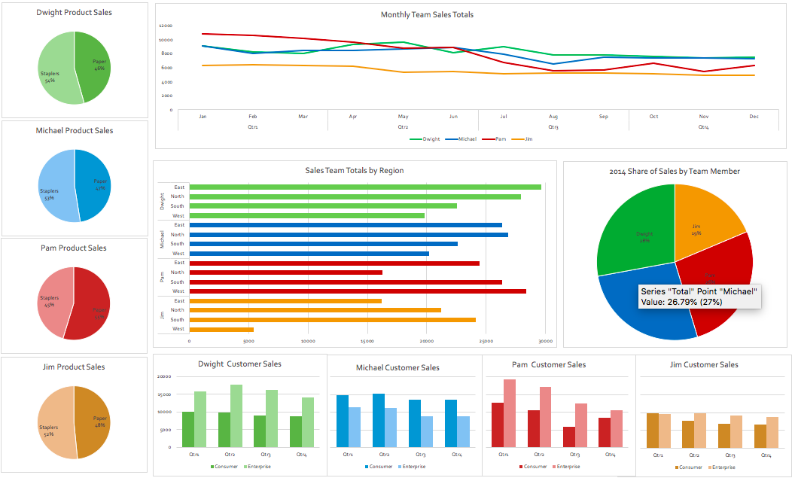
Recommendation: Based on the most recent year of performance and considering key goals, it is recommended that Dwight be considered for the internal promotion. Although Pam began the year as the lead in sales, the performance was not sustained. Dwight's sales remained consistent specifically in the East and North key regions, and has grown the enterprise customer segment throughout the year. Michael's performance has also been consistent in both new growth opportunities (staplers) and maintained sales in the East and North key regions. However, Dwight's overall sales of 28%, having 54% of his product sales from the new stapler offering, and the lead in the enterprise customer sales overall is the basis of the recommendation of his promotion.

